Bug report 1
ID | Project | Category | View Status | Date Submitted | Last Update
1 | Best Friends | bugtracker | public | 2023-04-11 | 2023-04-11

Reporter | Shalabai A.O. | Assigned To
Priority | medium | Severity | minor | Reproducibility | always
Status | new | Resolution | open
Platform | Samsung Galaxy A53 | OS | Android | OS Version | 13

Summary | There is no progress bar when loading tasks in the application
Description | There is no progress bar when loading tasks in the application. Present only walking owl and text "Загружаем..."
Steps To Reproduce | 1. Open the Duolingo 2. Click on the "Начать" button after selection the language for learning 3. Pay attention to the absence of the progress bar during loading
Additional Information
Tags
Attached Files | 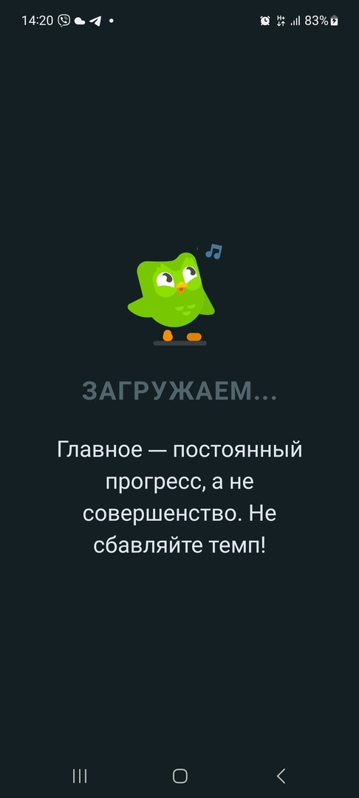

Bug report 2
ID | Project | Category | View Status | Date Submitted | Last Update
2 | Best Friends | bugtracker | public | 2023-04-11 | 2023-04-11

Reporter | Shalabai A.O. | Assigned To
Priority | medium | Severity | major | Reproducibility | always
Status | new | Resolution | open
Platform | Samsung Galaxy A53 | OS | Android | OS Version | 13

Summary | There is no icon, logo or name of the application when working with it
Description | There is no icon, logo or name of the application when working with it
Steps To Reproduce | 1. Open the Duolingo 2. Pay attention to the absence of the progress bar during loading
Additional Information
Tags
Attached Files | 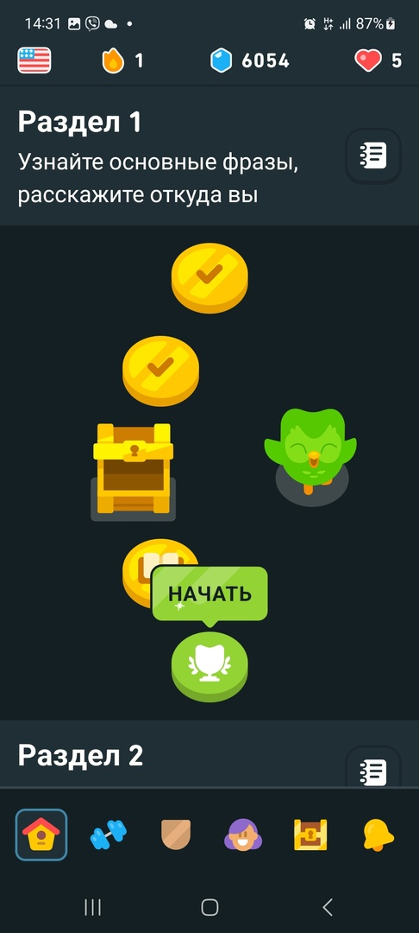

Bug report 3
ID | Project | Category | View Status | Date Submitted | Last Update
3 | Best Friends | bugtracker | public | 2023-04-11 | 2023-04-11

Reporter | Shalabai A.O. | Assigned To
Priority | high | Severity | major | Reproducibility | always
Status | new | Resolution | open
Platform | Samsung Galaxy A53 | OS | Android | OS Version | 13

Summary | Ukrainian-speaking and Russian-speaking users can't choose any language for learning
Description | Ukrainian-speaking and Russian-speaking users can't choose any language for learning. Only English, Germany, Spanish and French for Russian speakers and only English for Ukrainian speakers
Steps To Reproduce | 1. Open the Duolingo 2. Click on the button for the learning language in the left up corner 3. Pay attention to the choice of languages for Ukrainian and Russian speakers
Additional Information
Tags
Attached Files | 